Logic - OOALV Report
Object Description |  | Need a report with finctionality to disply all the Purchase orders details in ALV format. The ALV should be able to Disply the Vendor details of the selected line item after push button on screen is executed. The vendor details should appear on next screen and should be able to generte the Purchase order invoice (smartform) for the PO selected on first screen

Logic for Report
1 | Select the fields from EKKO and EKPO table using inner join using the PO number
2 | Display an OALV of all this selected fields on screen 0100 along with two pusho buttons 'Back' and 'Vendor Details'
3 | On selection of line item when the 'Vendor Details' button is pressed, the next screen should be displayed showing the details from LFA1 table for the LIFNR of that selected line
4 | If button 'Vendor Details' is pressed without selected any line item, error should be displayed
5 | The second screen should have two buttons: 'Generate Form' & 'EDIT'
6 | Generate Form' Button will generate the Smartform for the purchase order selected on first screen
7 | The ALV should restric user for selecting only on line item at one time when 'Generate form' button is chosed, if more thanone line is selected, it should throw an error when button is pressed.
8 | The basic button on menu bar like back, exit, leave should work accordingly on first and second screen
9 | When 'Edit' is pressed, third screen should appear which will give functinality to edit the LFA1 records which are displayed on second screen
10 | All fileds from second screen should be editable on third scree except Account Number of Vendor or Creditor & Country Key. Refer screenshot below for rference
11 | The Right Arrow should allow to go to next record
12 | Save button from menu bar should upadte the changes in LFA1 table
13 | Refer the screenshots below for screen desining and Smarform layout design

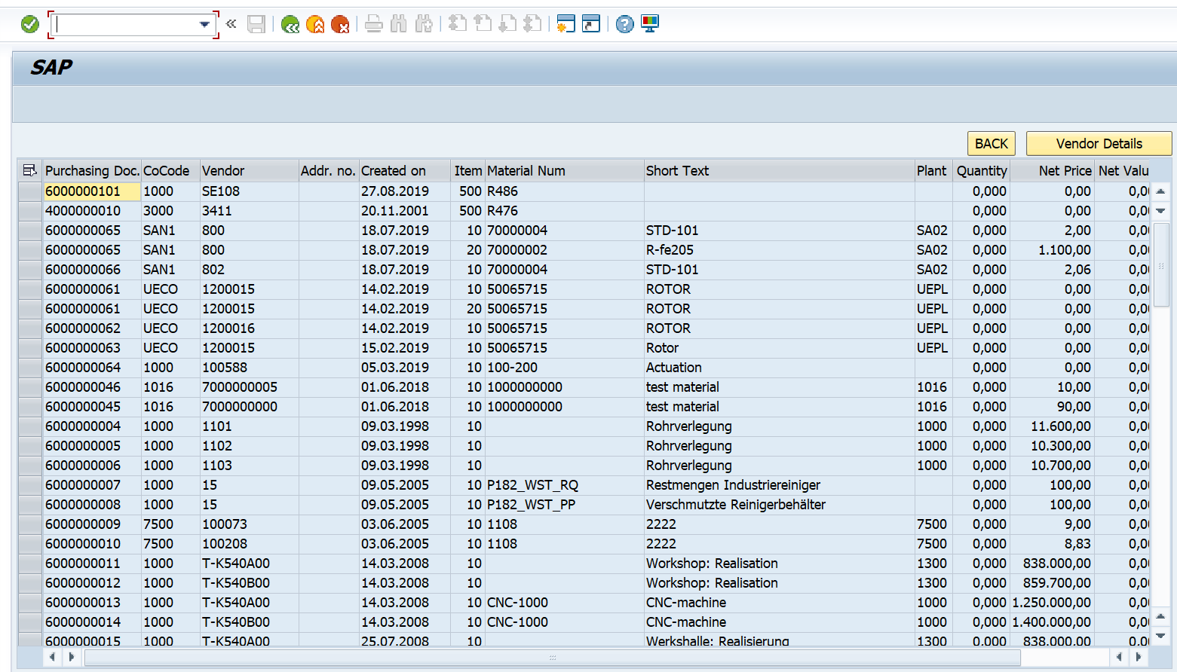
Functionality:
 | First screen |  |  |  | Second Screen
 |  |  |  |  | If single record selected
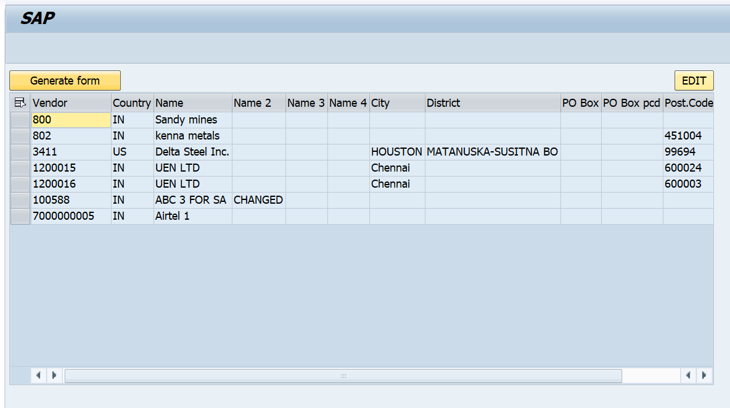

 |  |  | Third Screen | Smartform
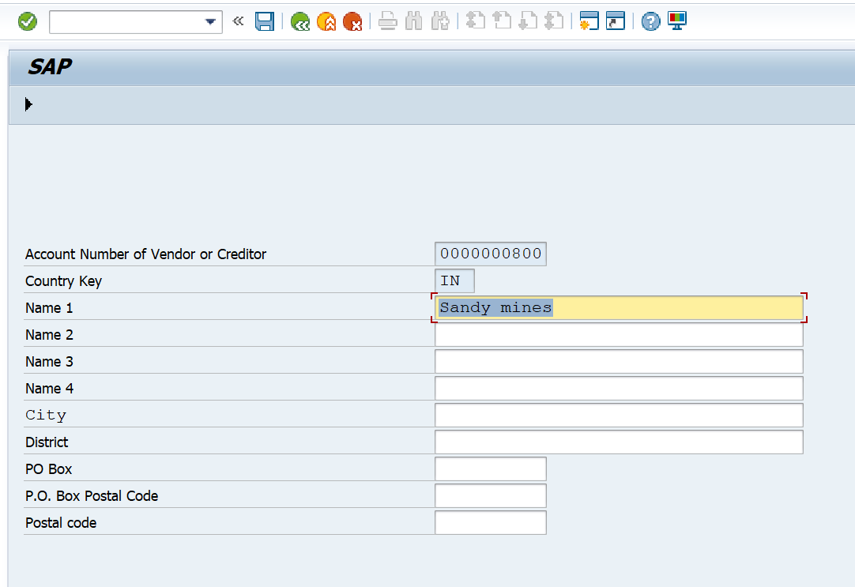
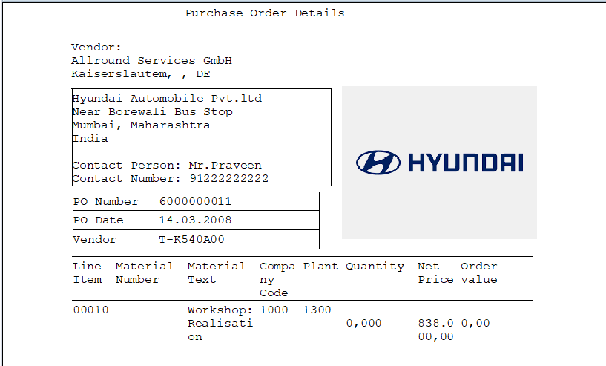

Logic to retrieve data from tables
 | How to retrieve data from Three Tables?
 | A) To display data from 2 tables, use inner join on ( EKKO - EBELN, BUKRS, LIFNR, ADRNR, AEDAT ) & ( EKPO - EBELP, MATNR, TXZ01, WERKS, MENGE, NETPR, NETWR ) where EKKO-EBLEN = EKPO-EBELN
 | B) Select LAND1, NAME1, NAME2, NAME3, NAME4, ORT01, ORT02, PFACH, PSTL2, PSTLZ & REGIO of LFA1 from LFA1 table when LFA1-LIFNR = EKKO-LIFNR

